cover
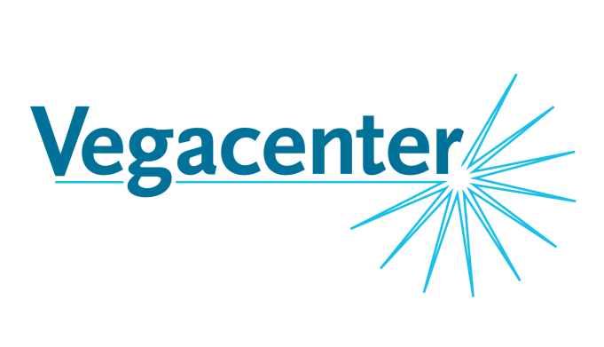

Data Report

Vegacenter
Swedish Museum of Natural History

Project leader: | Olof Martinsson
Project: | Vein- and mineralization paragenesis of the Liikavaara Cu-(W) deposit, northern Sweden – a key to its origin
Affiliation: | Luleå TU, Division of Geosciences and Environmental Engineering
Date: | 14.04.2016

 | Instrument Setting

 | Mass spectrometer | Nu plasma (II) MC-ICP-MS
 | Cooling gas flow rate | 13 L/min
 | Aux gas flow rate | 0.93 L/min
 | Mass resolution | low
 | Cones | common Ni cones
 | Torch | glass

 | Laser ablation | ESI NWR193 ArF eximer based laser ablation system
 | Ar flow rate (Mix Gas) | 0.72 L/min
 | He flow rate | 0.32 L/min
 | Ablation
 | frequency | 8 Hz
 | spotsize | 15 µm
 | fluence | 2.3 J/cm2
 | Data collection
 | washout time | 25 s
 | ablation time | 35 s
 | integration time | 0.4 s

Naturhistoriska Riksmuseet

Postadress: |  | Besöksadress: | Telefon: 08-519 540 00
Box 50007 |  | Frescativägen 40 | registrator@nrm.se
104 05 Stockholm |  | 114 18 Stockholm

